Salient points
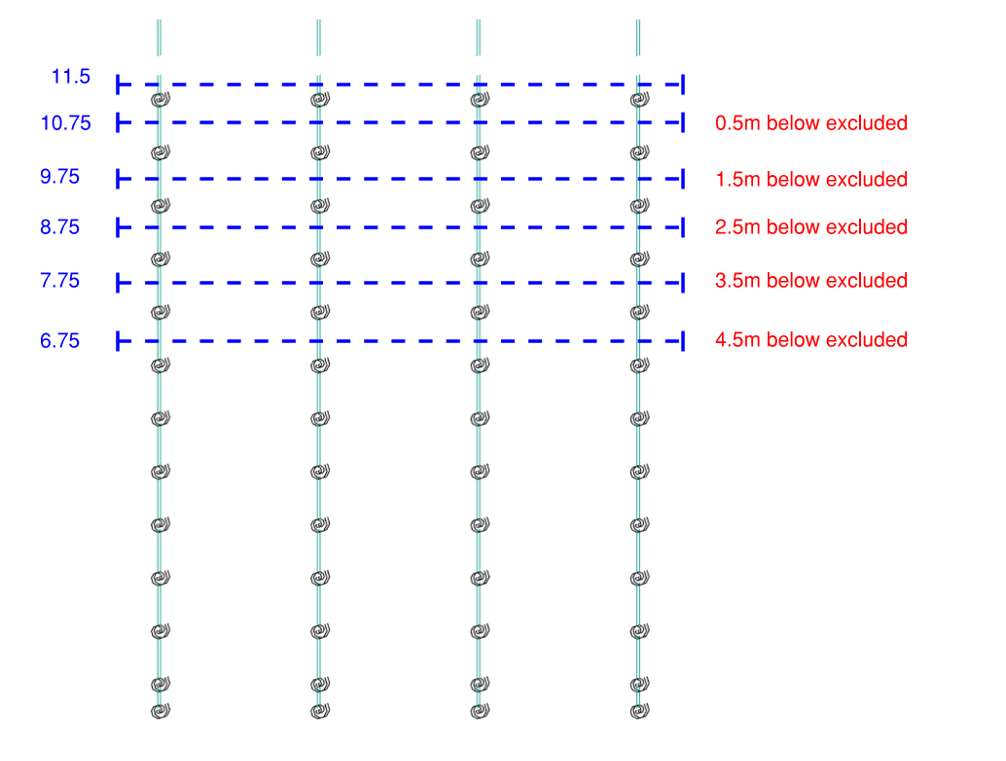
 |  |  | Notes | Fx | Mres | Fres | elementIndex | modelName | combCase
all mdels | FH | ULS B | happen to be max shear with high Mres | -623.44331481 | 288.37084245 | 154.3065057 | 212 | models\NAmodel_07_0.5weaksprings.gwb | C76
 |  | ULS B | better shear and mres but bigger tensions | -63.55483335 | 259.4210373 | 141.16321651 | 210 | models\NAmodel_07_0.5weaksprings.gwb | C76
 |  | ULS B | max compression | -2456.3839697 | 4.39E-07 | 1.5313992771 | 260 | models\NAmodel_07_0.5weaksprings.gwb | C77
 |  | ULS B | min compression | -544.80508151 | 29.965064403 | 22.298209626 | 86 | models\NAmodel_07.gwb | C12
 |  | SLS QP | Simple distribution - worst points -> | -1199.4504202 | 112.70353005 | 67.592970329 | 212 | models\NAmodel_07_0.5weaksprings.gwb | C74
 |  | SLS QP | Simple distribution - worst points -> | -1199.4504202 | 112.70353005 | 67.592970329 | 212 | models\NAmodel_07_0.5weaksprings.gwb | C32
 |  | SLS QP | Simple distribution - worst points -> | -1276.0634769 | 110.32585244 | 67.589550176 | 212 | models\NAmodel_07_0.5weaksprings.gwb | C73
 |  | SLS QP | Simple distribution - worst points -> | -1276.0634769 | 110.32585244 | 67.589550176 | 212 | models\NAmodel_07_0.5weaksprings.gwb | C31
 |  | SLS QP | Simple distribution - worst points -> | -1207.6004788 | 107.33142173 | 63.957122497 | 208 | models\NAmodel_07_0.5weaksprings.gwb | C74
 |  | SLS QP | Simple distribution - worst points -> | -1207.6004788 | 107.33142173 | 63.957122497 | 208 | models\NAmodel_07_0.5weaksprings.gwb | C32
 |  | SLS QP | Simple distribution - worst points -> | -563.08986711 | 105.63545993 | 64.925313618 | 210 | models\NAmodel_07_0.5weaksprings.gwb | C74
 |  | SLS QP | Simple distribution - worst points -> | -563.08986711 | 105.63545993 | 64.925313618 | 210 | models\NAmodel_07_0.5weaksprings.gwb | C32

all models | 1.5m | ULS B | moment 1 (with higher shear) | -491.75162532 | 134.39282027 | 43.434086897 | 172 | models\NAmodel_07_0.5springs.gwb | C75
 |  | ULS B | moment 2 (with higher sjear | -1542.1233994 | 138.35898443 | 50.300505388 | 186 | models\NAmodel_07_0.5springs.gwb | C75
 |  | ULS B | moment 3 | -104.80976298 | 112.08606017 | 17.860305958 | 174 | models\NAmodel_07_0.5springs.gwb | C76
 |  | ULS B | max compression | -2456.3839697 | 4.39E-07 | 1.5313992771 | 260 | models\NAmodel_07_0.5weaksprings.gwb | C77
 |  | ULS B | min compression | -70.351294182 | 63.990206188 | 96.304272189 | 171 | models\NAmodel_07_0.5weaksprings.gwb | C76
 |  | ULS B | shear 1 | -630.24189537 | 74.562837004 | 105.89283935 | 185 | models\NAmodel_07_0.5weaksprings.gwb | C76
 |  | ULS B | shear 2 | -1535.6818006 | 102.90497367 | 98.497588648 | 185 | models\NAmodel_07_0.5springs.gwb | C75
 |  | SLS QP | Simple distribution - worst points -> | -1270.8567456 | 72.731051696 | 10.484954609 | 187 | models\NAmodel_07_0.5springs.gwb | C73
 |  | SLS QP | Simple distribution - worst points -> | -1270.8567456 | 72.731051696 | 10.484954609 | 187 | models\NAmodel_07_0.5springs.gwb | C31
 |  | SLS QP | Simple distribution - worst points -> | -1270.8560815 | 72.731001845 | 20.452541845 | 186 | models\NAmodel_07_0.5springs.gwb | C73
 |  | SLS QP | Simple distribution - worst points -> | -1270.8560815 | 72.731001845 | 20.452541845 | 186 | models\NAmodel_07_0.5springs.gwb | C31
 |  | SLS QP | Simple distribution - worst points -> | -615.5935564 | 72.199709041 | 10.06780323 | 173 | models\NAmodel_07_0.5springs.gwb | C73
 |  | SLS QP | Simple distribution - worst points -> | -615.5935564 | 72.199709041 | 10.06780323 | 173 | models\NAmodel_07_0.5springs.gwb | C31
 |  | SLS QP | Simple distribution - worst points -> | -615.5930282 | 72.199690163 | 18.791366015 | 172 | models\NAmodel_07_0.5springs.gwb | C73
 |  | SLS QP | Simple distribution - worst points -> | -615.5930282 | 72.199690163 | 18.791366015 | 172 | models\NAmodel_07_0.5springs.gwb | C31

